W2 - Basic Function
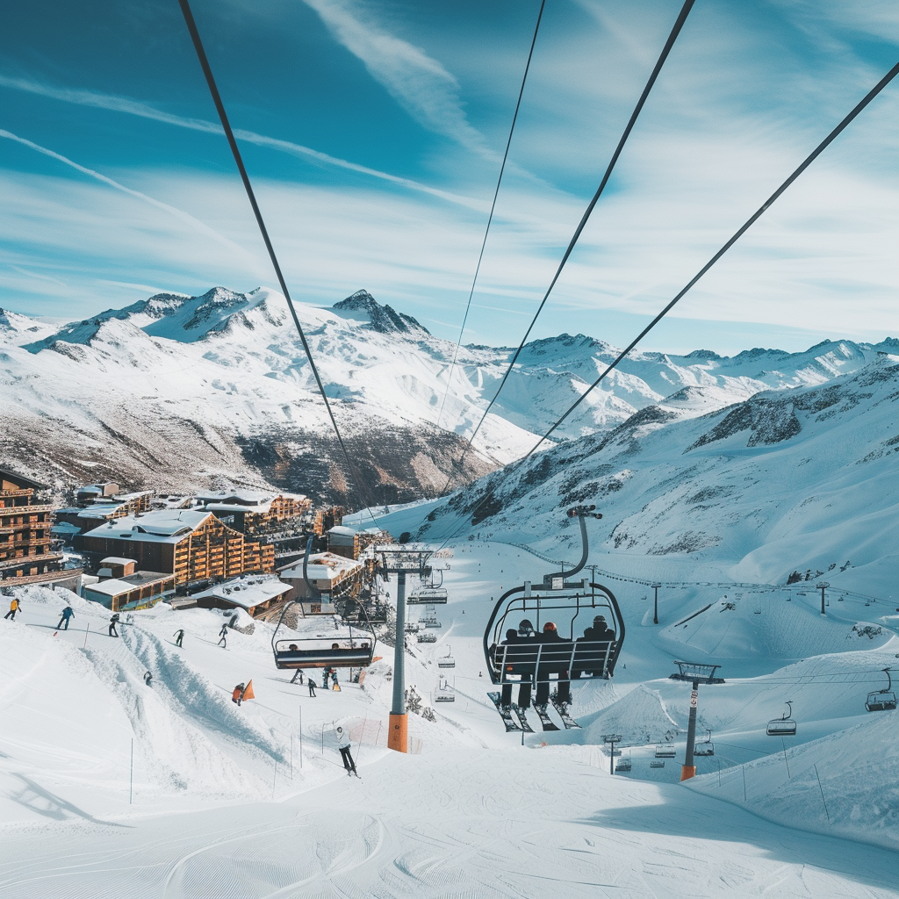
Questions |  | Answers | FORMULAS
 | What's the average skiable terrain across all resorts | 121.15 | FORMULA=AVERAGE(Data!K:K)
 | What's the total number of ski lifts across all resorts | 3399 | 1192
 | What's the lowest adult day pass price available | 25
 | What's the highest peak elevation among all resorts | 3899

Advance Questions |  | Answers | FORMULAS
 | What's the average skiable terrain across all resorts across Switzerland? | 212 | AVERAGEIFS(average_range, criteria_range1, criteria1, [criteria_range2, criteria2]...
 | What's the average skiable terrain across all resorts across Switzerland with Adult Day Pass less than 75 Euros? | 138.875

